Process Diagram
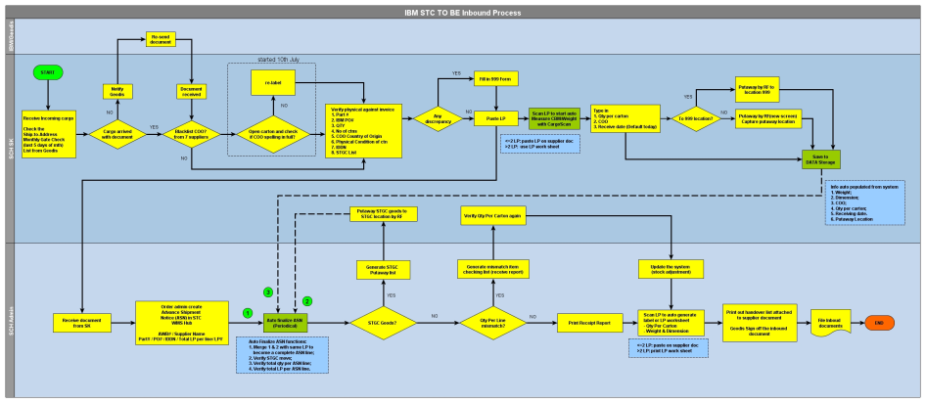
Proposed: | Revised version dated 24 Jul 2014 | Option 1 | Inbound storekeeper to input Carton detail at the same time when measuring weight/Dim.

 |  | Option 2 | To split the Measuring and input of Carton detail into 2 individual process.
 |  |  | Inbound Storekeeper weight/Dim measure using CargoSCan.
 |  |  | And concurrently another user can use RF scanner to input Carton LP detail

